Checklist - Basic Ship Cont
BASIC
Ship - Container
GA Code: |  | Ship name: |  |  |  |  |  |  |  |  |  |  |  |  |  |  |  |  | Date of Ship Survey:
CHECKLIST - BASIC CRITERIA - SURVEY - CONTAINER CARRIER - VERSION 2023
Revision Code | Norm item | 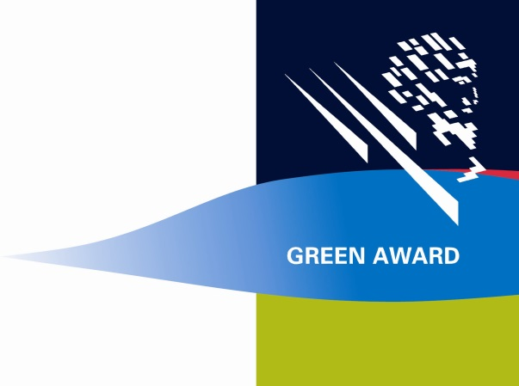 | MASTER | Doc. & Impl. | CHIEF OFFICER | Doc. & Impl. | DECK OFFICER | Doc. & Impl. | DECK RATING | Doc. & Impl. | CHIEF ENGINEER | Doc. & Impl. | ENGINEER OFFICER | Doc. & Impl. | ENGINEER RATING | Doc. & Impl. | CATERING PERSONNEL | Doc. & Impl. | NOT APPLICABLE
 | 100 | MANAGEMENT ELEMENTS
 | 101 | GENERAL | O
 | 101.1 | Are the Management System (MS) Manuals maintained and updated?
 | 102 | SAFETY AND ENVIRONMENTAL PROTECTION POLICY | O |  | O |  | O |  | O |  | O |  | O |  | O |  | O
 | 102.1 | Is the company policy concerning safety and the environment available, posted and implemented at all levels?
 | 103 | COMPANY RESPONSIBILITIES AND AUTHORITY | O |  | O |  | O |  | O |  | O |  | O |  | O |  | O
 | 103.1 | Are the responsibilities and authorities of all shipboard personnel clearly defined and implemented?
 | 103.2 | Are shore-ship communications, defined levels of authority and lines of communication documented and working effectively ?
 | 104 | DESIGNATED PERSONS | O |  | O |  | O |  | O |  | O |  | O |  | O |  | O
 | 104.2 | Is (are) (a) designated person(s) known on board?
 | 104.3 | Is objective evidence available that safety and environmental aspects of the operation of the ship are monitored and that the required adequate resources and shore-based support is applied ?
 | 105 | MASTER'S RESPONSIBILITY AND AUTHORITY | O
 | 105.1 | Is the responsibility of the master clearly defined and documented?
 | 105.2 | Does the master implement the Company's safety and environmental-protection policy on board?
 | 105.3 | Does the master motivate the crew in the observation of that policy?
 | 105.4 | Does the master verify that specified requirements are observed?
 | 105.5 | Does the master review the MS and are its deficiencies reported to the shore-based management?
 | 106 | RESOURCES AND PERSONNEL AND STCW | O |  |  |  |  |  |  |  | O
 | 106.1 | Does the company have a procedure for the Master to ensure that assigned sea staff are in possession of necessary certificates when joining the vessel?
 | 106.4 | Are shipboard personnel informed about new/revised rules, regulations, codes and guidelines?
 | 106.6 | Does ship's personnel receive training/courses which are required in support of the MS?
 | 106.11 | Is the working language between the office and the vessels defined?
 | 106.12 | Are all senior and deck officers conversant in the English language for maritime communication?
 | 106.13 | Is relevant information on the MS written in a working language or languages understood by officers and shipboard personnel?
 | 106.14 | Is the working language monitored and checked by the ship's staff?
 | 106.15 | Are new personnel and personnel transferred to new assignments, given proper familiarisation with their duties?
 | 106.16 | Are instructions, which are essential prior to sailing, identified, documented and given to the new personnel?
 | 106.17 | Is the Master fully conversant with the Company's Management Systems?
 | 107 | DEVELOPMENT OF PLANS FOR SHIPBOARD OPERATIONS | O |  | O |  |  |  |  |  | O |  |  |  |  |  | O
 | 107.2 | Are plans and instructions for key shipboard operations concerning safety of the ship and prevention of pollution, evaluated and reviewed?
 | 107.3 | Are tasks, qualifications and responsibilities defined in the manuals and in the job descriptions?
 | 108 | EMERGENCY PREPAREDNESS | O |  | O |  | O |  | O |  | O |  | O |  | O |  | O
 | 108.1 | Does the system cover the arrangements needed to ensure that the company, day and night, can be notified if a hazard, accident or emergency involving the ship occurs ?
 | 108.2 | Are tasks, qualifications and responsibilities evaluated during drills and exercises as described in the emergency procedures?
 | 108.3 | Is communication with media described in the emergency procedures and is shipboard personnel aware of these instructions?
 | 108.5 | Is the shipboard personnel prepared to respond to emergency shipboard situations?
 | 109 | REPORTS AND ANALYSES OF NON-CONFORMATIES, ACCIDENTS AND HAZARDOUS OCCURENCES | O |  | O |  |  |  |  |  | O |  |  |  |  |  | O
 | 109.1 | Are safety and environmental inspections carried out, documented and reported?
 | 109.2 | Does the ship have instructions/procedures for the reporting of non-conformities/ near misses?
 | 109.3 | Are non-conformities, accidents and hazardous occurrences reported to the office?
 | 109.4 | Are corrective and/or preventive actions taken?
 | 109.5 | Does the company have objective evidence to show their support of the shipboard personnel in reporting of non-conformities / near misses?
 | 110 | MAINTENANCE OF THE SHIP AND EQUIPMENT | O |  | O |  |  |  |  |  | O |  |  |  |  |  | O
 | 110.1 | Are ship inspections held at defined intervals? (minimum of twice a year or equivalent)
 | 110.2 | Are non-conformities reported including their possible cause?
 | 110.3 | Is appropriate corrective action taken?
 | 110.4 | Are records of these activities maintained?
 | 110.5 | Are ship-critical equipment and technical systems identified?
 | 110.6 | Does the MS provide for specific measures aimed at promoting the reliability of critical equipment and systems ?
 | 111 | DOCUMENTATION | O |  | O |  |  |  |  |  | O
 | 111.1 | Does the company have procedures to control documents and data relevant to the MS?
 | 111.2 | Are valid documents available at all relevant locations?
 | 111.3 | Are changes to documents reviewed and approved by authorised personnel?
 | 111.4 | Are obsolete documents promptly removed ?
 | 112 | COMPANY VERIFICATION, REVIEW AND EVALUATION | O |  | O |  |  |  |  |  | O
 | 112.1 | Are internal audits carried out to verify whether safety and pollution-prevention activities, and other procedures, comply with the MS?
 | 112.4 | Are results of the audits and reviews brought to the attention of all shipboard personnel having responsibility in the area involved?
 |  | IMO ELEMENTS
 | 200 | SOLAS 1974
 | 201 | SOLAS General Provisions | O |  |  |  |  |  |  |  | O
 | 201.1 | Compliance with General Provisions
 | 201.2 | Compliance with IMDG-Code 2011
 | 201.3 | Compliance with Cargo Securing Manual
 | 213 | Certificates and documents on board | O |  |  |  |  |  |  |  | O
 | 213.1 | Are all regulatory certificates valid ?
 | 216 | Maritime security | O
 | 216.1 | Does the ship have a valid (interim) International Ship Security Certificate?
 | 216.2 | Is the ship's crew familiarised in general with the principles of the ISPS Code (ship related) ?
 | 217 | Safety of Navigation / SOLAS chart carriage requirements | O |  |  |  | O
 |  | Alternative 1 (217.1 - 217.4) : Compulsory carriage of ECDIS, with full official ENC coverage
 | 217.1 | Is the ECDIS type-approved according to Res A 817(19) as amended by MSC 64 (67) and MSC 86 (70) or MSC.232(82)?
 | 217.3 | Is an acceptable back-up arrangement in place? ( an independent type-approved ECDIS with an independent position fixing system using official Electronic Navigational Charts (ENC's), or a full / reduced folio of up-to-date paper charts as relevant to the ship's voyage )
 | 217.4 | Are all official ENCs up-to-date?
 |  | Alternative 2 (217.1 - 217.4): Compulsory carriage of ECDIS, Navigation with official ENCs where available and official RNCs where ENCs are not available
 | 217.1 | Is the ECDIS type-approved according to Res A817 (19) as amended by MSC 64 (67) and MSC 86 (70) or MSC.232(82)?
 | 217.2 | Is the supplementary folio of paper charts acceptable for that part of the voyage where official RNCs are used ?
...

Checklist - Ranking Ship Cont
RANKING
Ship - Container
GA Code: |  | Ship name:
CHECKLIST - RANKING CRITERIA - SURVEY - CONTAINER CARRIER - VERSION 2023
Revision Code | Norm item | 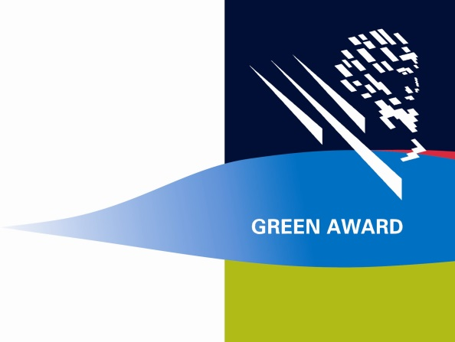 | MASTER | Doc. & Impl. | CHIEF OFFICER | Doc. & Impl. | DECK OFFICER | Doc. & Impl.
 | 1000 | GENERAL
 | 1200 | Enclosed Space Entry & Hot Work |  |  | O |  | O
 | 1200.1 | Is there an Enclosed Space Entry and Hot Work permit to work system, taking account of IMO and industry guidelines and where relevant local port / terminal requirements?
 | 1200.6 | Is company approval of the Hot Work permit required before work can begin?
 | 1200.7 | Does the Hot Work permit show the appropriate safety precautions to be taken relevant to the location of work?
 | 1200.2 | Is crew on board provided with suitable personal protective equipment and suitable equipment for testing the atmosphere of an enclosed space? (e.g. breathing apparatus, protective clothing and approved + calibrated atmosphere testing equipment)
 | 1200.8 | Are all personnel entering an enclosed space provided with a personal gas detector which can measure HC, oxygen and relevant toxic vapours and indicate LEL?
 | 1200.9 | Is a safety meeting, attended by all personnel involved, held prior to entering the space or commencement of hot work in order to review procedures and PPE (including those specific for the intended work) ?
 | 1200.10 | Is a responsible officer designated for all aspects of the operation?
 | 1200.3 | Is ship's crew trained and drilled periodically according to enclosed space entry procedures ?
...

NOx Data Sheet
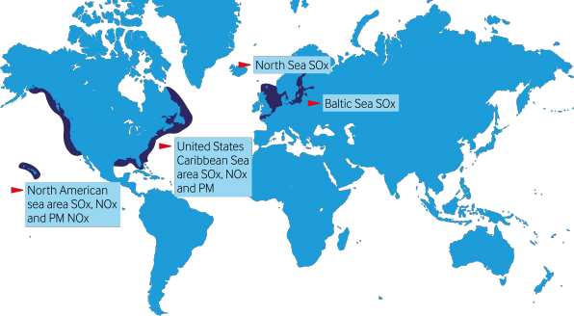
...
RPM
Tier 2 | Tier 3
...
NA | NA
...
RPM
Tier 2 | Tier 3
...
NA | NA
...

